Title and control
 |  | 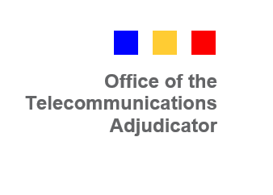
Title | ECWG Option X and Option Y switching models cost template
Version | Issue V1.0
Author | OTA2

Change log
Date | Details | Author
2020-03-03 | Draft0a created for internal OTA2 review | Jack Abbotts OTA2
2020-03-05 | Brought to Issue status - Classification changed | Jack Abbotts OTA2

