Contents
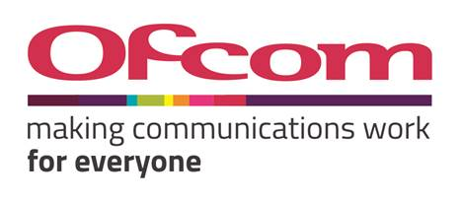 |  |  |  | 3.4-3.8 GHz Licence Alignment Model

Information

Title | 3.4-3.8 GHz Licence Alignment Model
Objective | Calculate lump-sum value of UK Broadband 3.4-3.8 GHz spectrum holdings as of 31 March 2022 based on auction prices achieved in the 2018 3.4 GHz auction and the 2021 3.6 GHz auction
Version | Consultation
Status | Approved for release
Author | Ofcom
Confidentiality status | For publication

Contents

Sheet | Description | Status | Notes
Contents | This contents sheet | Approved for release
Style Guidelines | A guide to the styles used in this workbook | Approved for release

Actual model sheets
Calculation | Calculation of lump-sum value (incl. inputs) | Approved for release
CPI | CPI inputs | Approved for release

Terms and conditions
The terms and conditions on which OFCOM is making available the model are set out below. The 3.4-3.8 GHz Licence Alignment Model provided has been developed to calculate the lump-sum value of UK Broadband 3.4-3.8 GHz spectrum holdings as of 31 March 2022 based on auction prices achieved in the 2018 3.4 GHz auction and the 2021 3.6 GHz auction. The Model is provided as part of the explanation of Ofcom’s proposals in its consultation “Aligning licence terms in the 3.4-3.8 GHz band”, dated 24 May 2022. While you may freely use the Model for the purposes for which it is provided, as set out in any accompanying model documentation, OFCOM does not guarantee that the Model will function when used in any modified way. No representation or warranty is given as to the accuracy, completeness or correctness of the provided Model and it is provided 'as is'. It is provided without any representation or endorsement made and without warranty of any kind, whether express or implied, including but not limited to the implied warranties of satisfactory quality, fitness for a particular purpose, non-infringement, compatibility, security and accuracy. OFCOM does not accept any responsibility for any loss, disruption or damage to your data or your computer system which may occur whilst using the Model or material derived from the Model. OFCOM does not warrant that the functions contained in the Model will be uninterrupted or error free. Also, OFCOM does not warrant that defects will be corrected, or that the Model provided is free of viruses. In no event will OFCOM be liable for any loss or damage including, without limitation, indirect or consequential loss or damage, or any loss or damage whatsoever arising from use or loss of use of, data or profits arising out of or in connection with the use or otherwise of the provided Model. By using this Model, you agree to the above. These terms and conditions shall be covered by and construed in accordance with the laws of England and Wales. Any

