Model_Overview
Sheet: |  | Model_Overview
Description: |  | Model Schematic

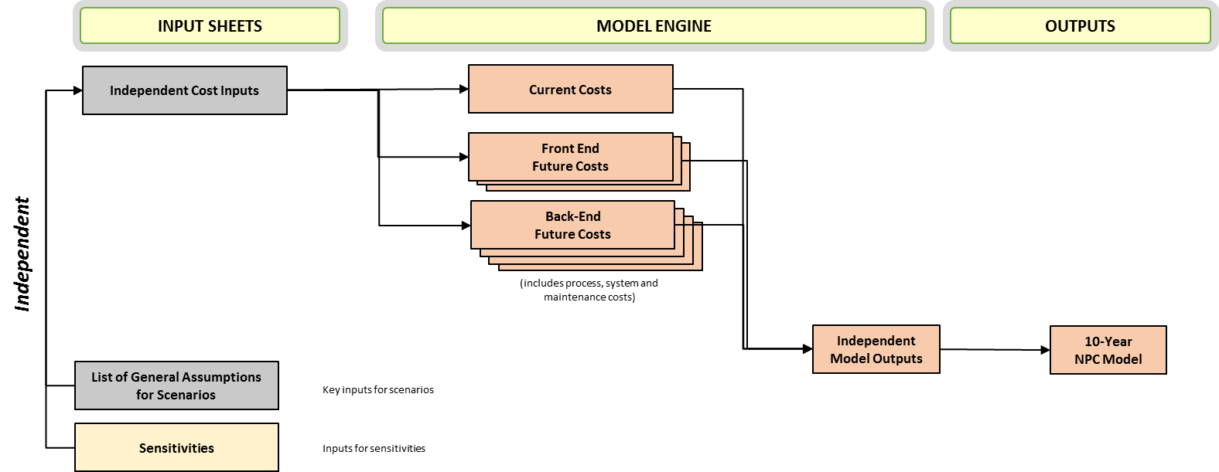

 |  |  | Description

 | Definitions | Tier A | Tier A contains the small, simple CPs, which use the billing and operational support systems of a third party integrator (TPI);
 |  | Tier B | Tier B contains medium sized CPs, which develop and support their own systems.
 |  | Tier C | Large CP which operates own systems
 |  | TPI | TPI - will have same systems CAPEX and OPEX as Tier B but without the process costs

 | Inputs | Inputs_General | This sheet captures the general assumptions used in costing model
 |  | Inputs_Switching | This sheet calculates the total cost per switch derived from the different time assumptions for each of the identified switching scenarios
 |  | Inputs_CPs | This sheet captures CP related assumptions used in costing model e.g. training cost and volumes
 |  | Inputs_Delivery_Effort | This sheet captures the different assumptions for the delivery effort estimates. These estimates are applied to each one of the major changes per switching model in the 'Inputs_Estimates' tab.
 |  | Inputs_Estimates | This sheet contains the independent time estimates for the development effort for each of the impacted processes and system applications per each alternative switching model, as identified in the process spec documents; a summary view of the estimates is presented at the top; break-down per each major process change below.
 |  | Inputs_Switchers | This sheet contains the volumes of cross-platform switches by CP by package switched to

 | Engine | General_Solutions | This sheet provides an overview of the total cost of delivery of the process and system changes for implementing the model-independent solutions: IS added to the monthly bill
 |  | GPL-EMP Process Workings | This sheet provides an overview of the total cost of delivery of the process changes for implementing the GPL-EMP switching model
 |  | GPL-EMP System Workings | This sheet provides an overview of the total cost of delivery of the system changes for implementing the GPL-EMP switching model
 |  | GPL-DCC Process Workings | This sheet provides an overview of the total cost of delivery of the process changes for implementing the GPL-DCC switching model
 |  | GPL-DCC System Workings | This sheet provides an overview of the total cost of delivery of the system changes for implementing the GPL-DCC switching model
 |  | eC&R-EMP Process Workings | This sheet provides an overview of the total cost of delivery of the process changes for implementing the eC&R-EMP switching model
 |  | eC&R-EMP System Workings | This sheet provides an overview of the total cost of delivery of the system changes for implementing the eC&R-EMP switching model
 |  | eC&R-DCC Process Workings | This sheet provides an overview of the total cost of delivery of the process changes for implementing the eC&R-DCC switching model
 |  | eC&R-DCC System Workings | This sheet provides an overview of the total cost of delivery of the system changes for implementing the eC&R-DCC switching model

 | Output | NPC_Results | Output of NPC analysis of future switching scenarios over 10 year period, for Tier B and C
 |  | NPC_TierA | Output of NPC analysis of future switching scenarios over 10 year period for Tier A and TPIs

